CONTRIBUTORY FACTORS
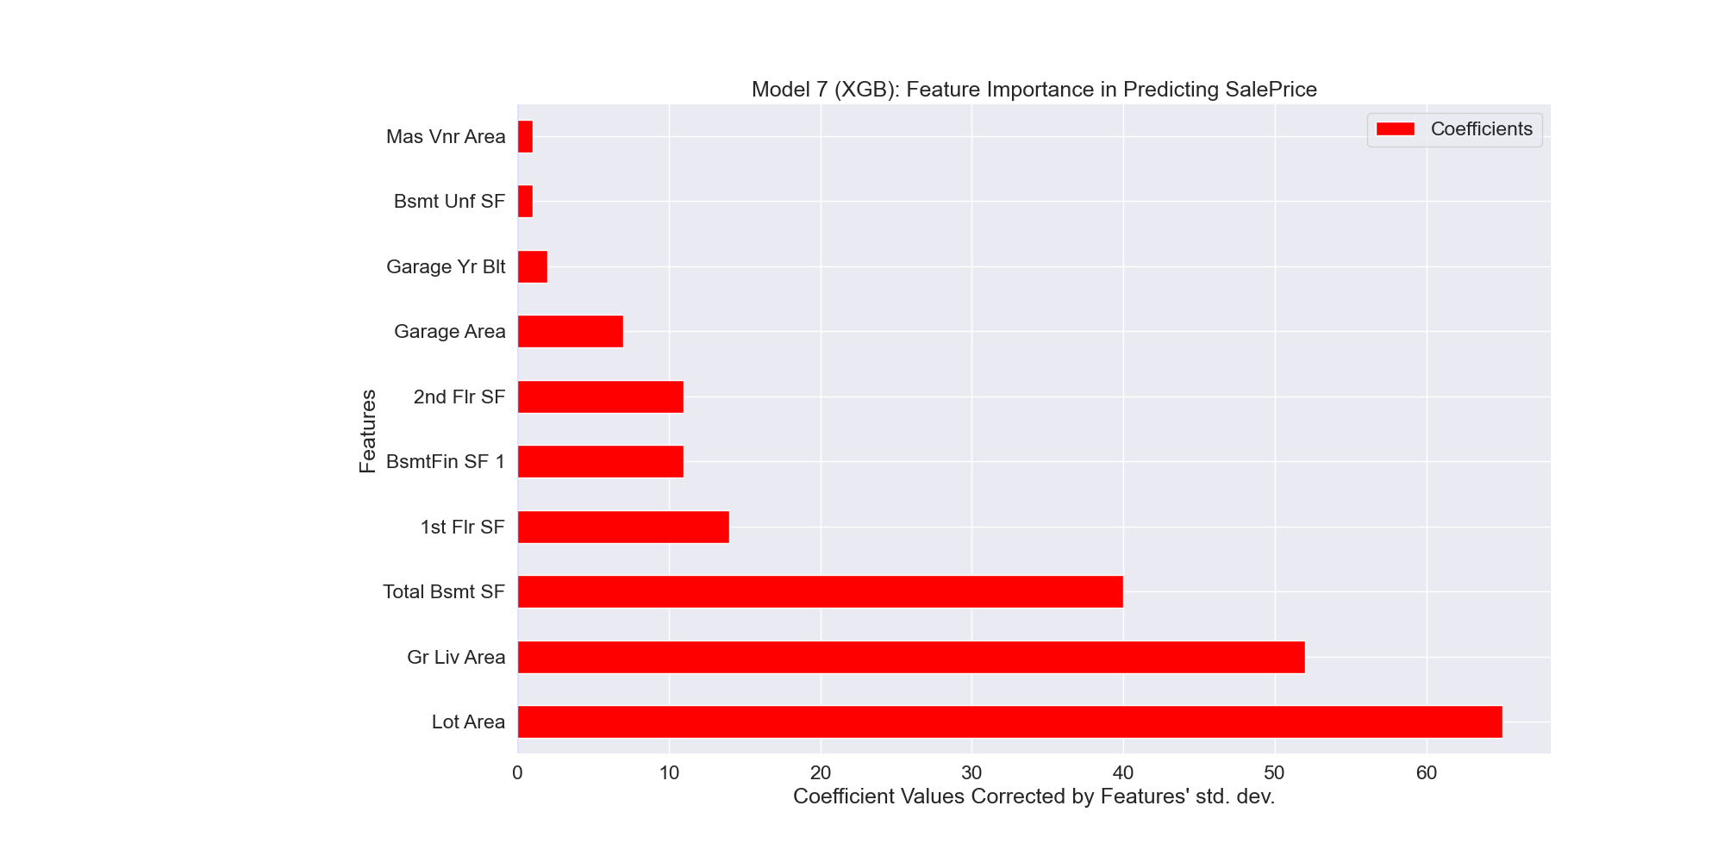
Features | Coefficients
Lot Area | 65
Gr Liv Area | 52
Total Bsmt SF | 40
1st Flr SF | 14
BsmtFin SF 1 | 11
2nd Flr SF | 11
Garage Area | 7
Garage Yr Blt | 2
Bsmt Unf SF | 1
Mas Vnr Area | 1

